About
Stacked Waterfall Chart With Decreasing Values

Thank you for downloading!
This workbook is a companion resource to our step-by-step online guide on how to build a stacked waterfall chart with decreasing values in Excel.
Feel free to use it to explore the logic behind the formulas, practice building the chart yourself, or adapt the templates to fit your own data.
All visualizations are dynamic, editable, and shareable - designed to save you time and help you build better charts.

Inlcluded Templates:
Sheet Name | Number of Series | Column Sub-Totals | Connector Lines | Bar (Vertical) Chart Version
Stacked Waterfall Chart with 2 Series - Simple | 2 | No | No | Yes
Stacked Waterfall Chart with 2 Series - With Column Sub-Totals | 2 | Yes | No | No
Stacked Waterfall Chart with 2 Series - With Connector Lines | 2 | No | Yes | No
Stacked Waterfall Chart with 2 Series - Full | 2 | Yes | Yes | No
Stacked Waterfall Chart with 3 Series - Full | 3 | Yes | Yes | No
2 Series - Color Coded | 2 | Yes | Yes | No

Need a refresher?
If you want to understand how these charts work or build one from scratch, the full tutorial walks you through everything step-by-step:
https://www.pinexl.com/excel-stacked-waterfall-chart-decreasing-values-tutorial

Create Charts Like This in Seconds

If you often build complex visualizations in Excel or PowerPoint, check out Pine BI, our Excel add-in built for professionals.
50+ Visualizations - including advanced charts like Stacked Waterfall, Cycle Plot, and more
Intuitive Interface - customize and preview charts dynamically
Pine BI Elements - add dynamic arrows and annotations directly in your charts
Streamlined Chart Editor - adjust multiple charts at once with ease

Try Pine BI

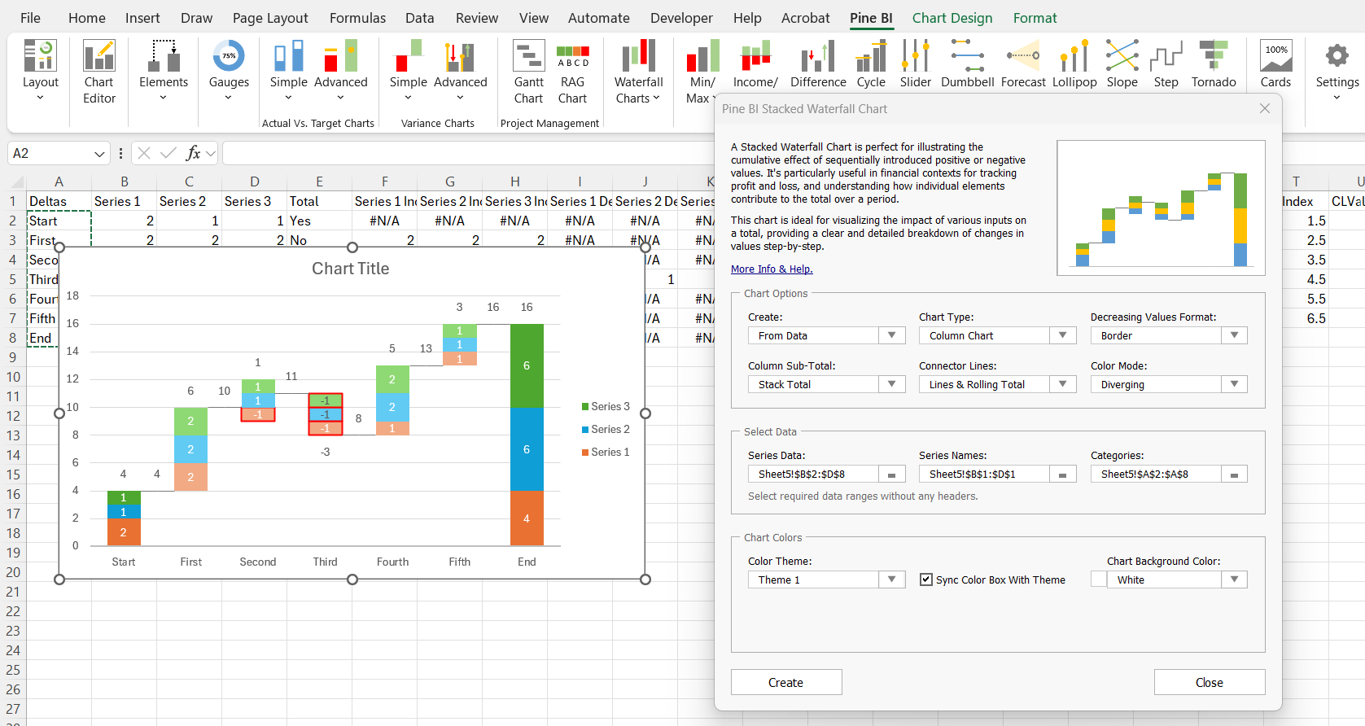

2 Series - Simple
Stacked Waterfall Example (PnL Analysis)
Category | Product 1 | Product 2 | Total | Series 1 Increase | Series 2 Increase | Series 1 Decrease | Series 2 Decrease | Series 1 Total | Series 2 Total | Blanks
Sales | 500 | 250 | Yes | #N/A | #N/A | #N/A | #N/A | 500 | 250 | #N/A
Services | 120 | 180 | No | 120 | 180 | #N/A | #N/A | #N/A | #N/A | 750
Consulting | 85 | 95 | No | 85 | 95 | #N/A | #N/A | #N/A | #N/A | 1050
Total Revenue | 705 | 525 | Yes | #N/A | #N/A | #N/A | #N/A | 705 | 525 | #N/A
COGS | -225 | -175 | No | #N/A | #N/A | 225 | 175 | #N/A | #N/A | 830
Marketing | -120 | -120 | No | #N/A | #N/A | 120 | 120 | #N/A | #N/A | 590
Other | -150 | 100 | No | #N/A | 100 | 150 | #N/A | #N/A | #N/A | 440
Net Income | 210 | 330 | Yes | #N/A | #N/A | #N/A | #N/A | 210 | 330 | #N/A
Stacked Waterfall Example (PnL Analysis)

2 Series - Sub-Totals Only
Category | Product 1 | Product 2 | Total | Series 1 Increase | Series 2 Increase | Series 1 Decrease | Series 2 Decrease | Series 1 Total | Series 2 Total | Blanks | STIndex | STPos | STNeg | STLab
Sales | 500 | 250 | Yes | #N/A | #N/A | #N/A | #N/A | 500 | 250 | #N/A | 1 | 750 | #N/A | 750
Services | 120 | 180 | No | 120 | 180 | #N/A | #N/A | #N/A | #N/A | 750 | 2 | 1050 | #N/A | 300
Consulting | 85 | 95 | No | 85 | 95 | #N/A | #N/A | #N/A | #N/A | 1050 | 3 | 1230 | #N/A | 180
Total Revenue | 705 | 525 | Yes | #N/A | #N/A | #N/A | #N/A | 705 | 525 | #N/A | 4 | 1230 | #N/A | 1230
COGS | -225 | -175 | No | #N/A | #N/A | 225 | 175 | #N/A | #N/A | 830 | 5 | #N/A | 830 | -400
Marketing | -120 | -120 | No | #N/A | #N/A | 120 | 120 | #N/A | #N/A | 590 | 6 | #N/A | 590 | -240
Other | -150 | 100 | No | #N/A | 100 | 150 | #N/A | #N/A | #N/A | 440 | 7 | #N/A | 440 | -50
Net Income | 210 | 330 | Yes | #N/A | #N/A | #N/A | #N/A | 210 | 330 | #N/A | 8 | 540 | #N/A | 540

Stacked Waterfall Example (PnL Analysis)

2 Series - Connector Lines Only
Category | Product 1 | Product 2 | Total | Series 1 Increase | Series 2 Increase | Series 1 Decrease | Series 2 Decrease | Series 1 Total | Series 2 Total | Blanks | CLIndex | CLValue
Sales | 500 | 250 | Yes | #N/A | #N/A | #N/A | #N/A | 500 | 250 | #N/A | 1.5 | 750
Services | 120 | 180 | No | 120 | 180 | #N/A | #N/A | #N/A | #N/A | 750 | 2.5 | 1050
Consulting | 85 | 95 | No | 85 | 95 | #N/A | #N/A | #N/A | #N/A | 1050 | 3.5 | 1230
Total Revenue | 705 | 525 | Yes | #N/A | #N/A | #N/A | #N/A | 705 | 525 | #N/A | 4.5 | 1230
COGS | -225 | -175 | No | #N/A | #N/A | 225 | 175 | #N/A | #N/A | 830 | 5.5 | 830
Marketing | -120 | -120 | No | #N/A | #N/A | 120 | 120 | #N/A | #N/A | 590 | 6.5 | 590
Other | -150 | 100 | No | #N/A | 100 | 150 | #N/A | #N/A | #N/A | 440 | 7.5 | 540
Net Income | 210 | 330 | Yes | #N/A | #N/A | #N/A | #N/A | 210 | 330 | #N/A

Stacked Waterfall Example (PnL Analysis)

2 Series - Full
Category | Product 1 | Product 2 | Total | Series 1 Increase | Series 2 Increase | Series 1 Decrease | Series 2 Decrease | Series 1 Total | Series 2 Total | Blanks | STIndex | STPos | STNeg | STLab | CLIndex | CLValue
Sales | 500 | 250 | Yes | #N/A | #N/A | #N/A | #N/A | 500 | 250 | #N/A | 1 | 750 | #N/A | 750 | 1.5 | 750
Services | 120 | 180 | No | 120 | 180 | #N/A | #N/A | #N/A | #N/A | 750 | 2 | 1050 | #N/A | 300 | 2.5 | 1050
Consulting | 85 | 95 | No | 85 | 95 | #N/A | #N/A | #N/A | #N/A | 1050 | 3 | 1230 | #N/A | 180 | 3.5 | 1230
Total Revenue | 705 | 525 | Yes | #N/A | #N/A | #N/A | #N/A | 705 | 525 | #N/A | 4 | 1230 | #N/A | 1230 | 4.5 | 1230
COGS | -225 | -175 | No | #N/A | #N/A | 225 | 175 | #N/A | #N/A | 830 | 5 | #N/A | 830 | -400 | 5.5 | 830
Marketing | -120 | -120 | No | #N/A | #N/A | 120 | 120 | #N/A | #N/A | 590 | 6 | #N/A | 590 | -240 | 6.5 | 590
Other | -150 | 100 | No | #N/A | 100 | 150 | #N/A | #N/A | #N/A | 440 | 7 | #N/A | 440 | -50 | 7.5 | 540
Net Income | 210 | 330 | Yes | #N/A | #N/A | #N/A | #N/A | 210 | 330 | #N/A | 8 | 540 | #N/A | 540
Stacked Waterfall Example (PnL Analysis)

3 Series - Full
Category | Product 1 | Product 2 | Product 3 | Total | Series 1 Increase | Series 2 Increase | Series 3 Increase | Series 1 Decrease | Series 2 Decrease | Series 3 Decrease | Series 1 Total | Series 2 Total | Series 3 Total | Blanks | STIndex | STPos | STNeg | STLab | CLIndex | CLValue
Sales | 500 | 250 | 300 | Yes | #N/A | #N/A | #N/A | #N/A | #N/A | #N/A | 500 | 250 | 300 | #N/A | 1 | 1050 | #N/A | 1050 | 1.5 | 1050
Services | 120 | 180 | 200 | No | 120 | 180 | 200 | #N/A | #N/A | #N/A | #N/A | #N/A | #N/A | 1050 | 2 | 1550 | #N/A | 500 | 2.5 | 1550
Consulting | 85 | 95 | 100 | No | 85 | 95 | 100 | #N/A | #N/A | #N/A | #N/A | #N/A | #N/A | 1550 | 3 | 1830 | #N/A | 280 | 3.5 | 1830
Total Revenue | 705 | 525 | 600 | Yes | #N/A | #N/A | #N/A | #N/A | #N/A | #N/A | 705 | 525 | 600 | #N/A | 4 | 1830 | #N/A | 1830 | 4.5 | 1830
COGS | -225 | -175 | -200 | No | #N/A | #N/A | #N/A | 225 | 175 | 200 | #N/A | #N/A | #N/A | 1230 | 5 | #N/A | 1230 | -600 | 5.5 | 1230
Marketing | -120 | -120 | -100 | No | #N/A | #N/A | #N/A | 120 | 120 | 100 | #N/A | #N/A | #N/A | 890 | 6 | #N/A | 890 | -340 | 6.5 | 890
Other | -150 | 100 | 150 | No | #N/A | 100 | 150 | 150 | #N/A | #N/A | #N/A | #N/A | #N/A | 740 | 7 | 1140 | #N/A | 100 | 7.5 | 990
Net Income | 210 | 330 | 405 | Yes | #N/A | #N/A | #N/A | #N/A | #N/A | #N/A | 210 | 330 | 450 | #N/A | 8 | 990 | #N/A | 990

2 Series - Color Coded
Category | Product 1 | Product 2 | Total | Series 1 Increase | Series 2 Increase | Series 1 Decrease | Series 2 Decrease | Series 1 Total | Series 2 Total | Blanks | STIndex | STPos | STNeg | STLab | CLIndex | CLValue
Sales | 500 | 250 | Yes | #N/A | #N/A | #N/A | #N/A | 500 | 250 | #N/A | 1 | 750 | #N/A | 750 | 1.5 | 750
Services | 120 | 180 | No | 120 | 180 | #N/A | #N/A | #N/A | #N/A | 750 | 2 | 1050 | #N/A | 300 | 2.5 | 1050
Consulting | 85 | 95 | No | 85 | 95 | #N/A | #N/A | #N/A | #N/A | 1050 | 3 | 1230 | #N/A | 180 | 3.5 | 1230
Total Revenue | 705 | 525 | Yes | #N/A | #N/A | #N/A | #N/A | 705 | 525 | #N/A | 4 | 1230 | #N/A | 1230 | 4.5 | 1230
COGS | -225 | -175 | No | #N/A | #N/A | 225 | 175 | #N/A | #N/A | 830 | 5 | #N/A | 830 | -400 | 5.5 | 830
Marketing | -120 | -120 | No | #N/A | #N/A | 120 | 120 | #N/A | #N/A | 590 | 6 | #N/A | 590 | -240 | 6.5 | 590
Other | -150 | 100 | No | #N/A | 100 | 150 | #N/A | #N/A | #N/A | 440 | 7 | #N/A | 440 | -50 | 7.5 | 540
Net Income | 210 | 330 | Yes | #N/A | #N/A | #N/A | #N/A | 210 | 330 | #N/A | 8 | 540 | #N/A | 540

Report Data |  |  |  | Stacked Waterfall Chart Calculations |  |  |  |  |  |  | Stack-Total Calculations |  |  |  | Connector Lines

Stacked Waterfall Example (PnL Analysis)
Stacked Waterfall Example (PnL Analysis)

